Sheet1
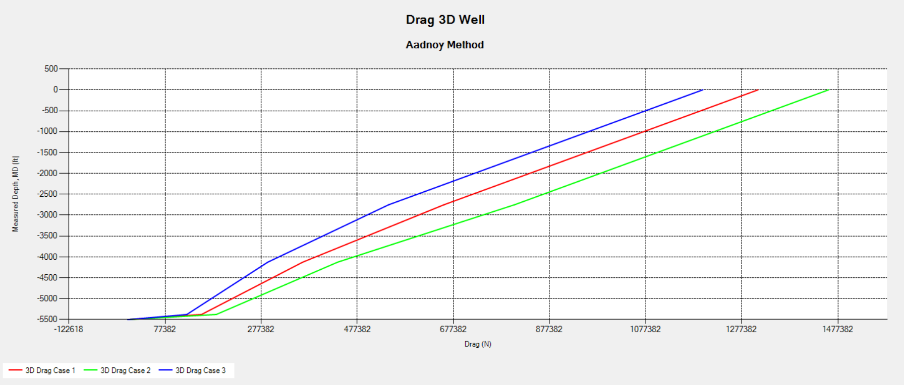
Segment | Akumulasi Panjang (m) | Akumulasi Drag (N) | Segment Drag (N) | Segment Drag (N) | Keterangan
1 | 1375 | 1457891.2 | 326585.4 | 326585.4 | Vertical
2 | 2750 | 1131305.8 | 326585.5 | 326585.5 | Vertical
3 | 4125 | 804720.3 | 368253.9 | 368253.9 | Build Up section
4 | 5378 | 436466.4 | 252639.2 | 436466.4 | Tangent Section
5(BHA) | 5500 | 183827.2 | 183827.2 |  | Tangent Section

